Sheet1
3.1 Validation Header Terminal -> Central

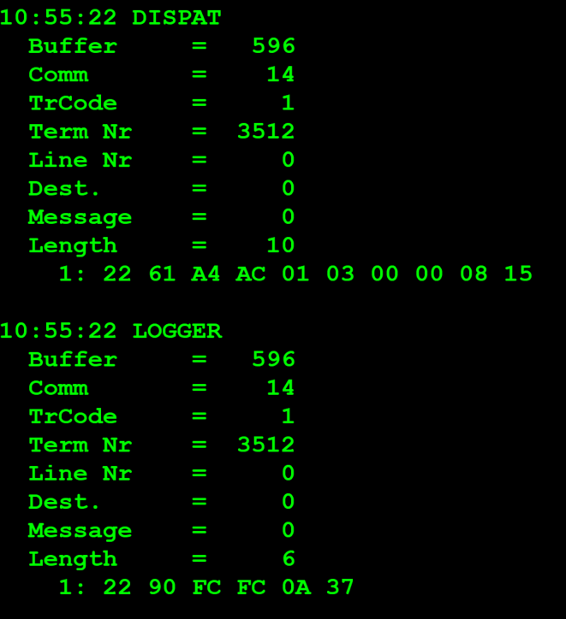
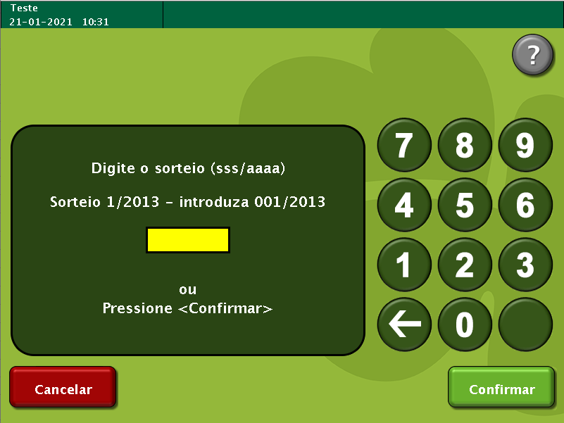
TestByte |  | Size | Field Contents |  | Hexadecimal | Binario | Decimal
Start | End
1 | 1 | 1 | Control | Sequence
2 | 2 | 1 | Type = 1 | Subtype = see below
3 | 4 | 2 | Checksum
5 | 5 | 1 | Statistics (see below)
6 | 7 | 2 | Wager Julian Date
8 | 10 | 3 | Wager Serial Number
11 | 11 | 1 | Wager Check Digits

Subtype:

0 | = | Regular
1 | = | Mid-tier Cash (currently used by the middleware that processes prizes payments for
 |  |  | the web portal)
2 | = | Claim (not used anymore)
3 | = | Validation Detail (not used anymore)
7 | = | New Validation Inquiry Mid Tier
8 | = | New Validation Inquiry Cash Payment Accepted
9 | = | New Validation Inquiry Bank Transfer Accepted

Mid-tier subtype: Terminal sends subtype 1 only if central responded to a previous cash attempt with a subtype 1. This is only sent if an agent verifies he can cash the ticket.

Statistics Flags: |  |  |  |  |  |  |  | example:

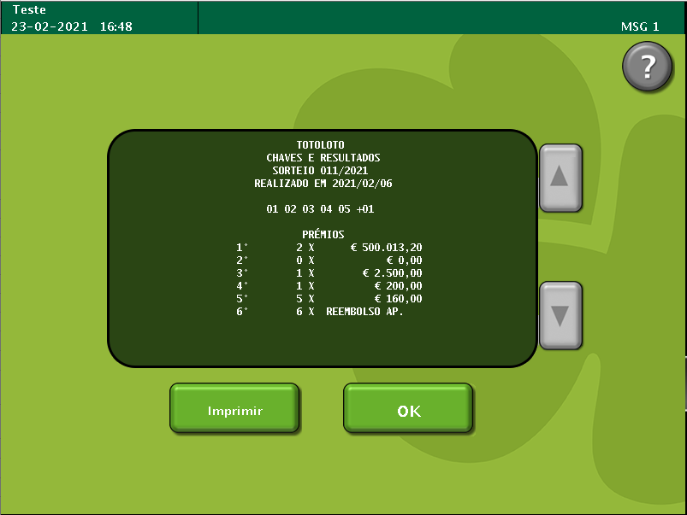
x00 | = | Manual Entry |  |  | Sortei 011/2021 -> feito o dia de escrutino no MILL com a chave definida 1,2,3,4,5 +1
x40 | = | Reader Entry |  |  |  |  |  | real case: | Sorteio: 008/2021 -> Data do Sorteio: 27/01/2021

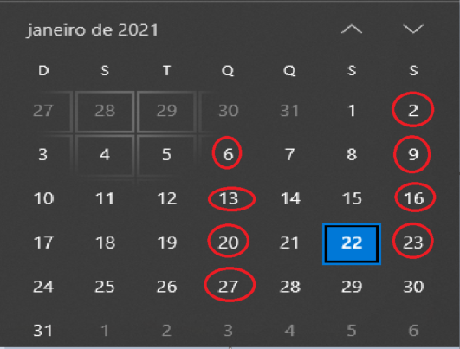
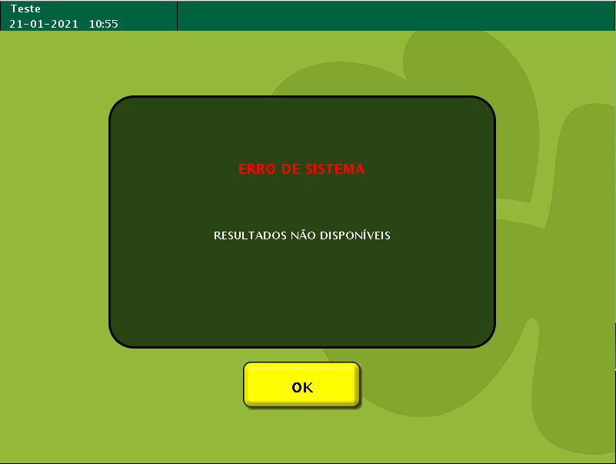
If subtype is 9:

12 | 12 | 1 | Telephone Number = 0 / Player Card = 1
13 | 16 | 4 | Player Card / Telephone Number
17 | 26 | 10 | NIB

Where Player Card/Telephone Number is binary format for telephone or Player card Id and NIB is:
Bank Branch: 2 bytes
Bank Office: 2 bytes
Account Number: 5 bytes
Check digits: 1 byte

The table below maps each validation subtype value based on the Terminal Type and Prize Tier (not applicable for SCML virtual terminals).

SCML Terminal Type | Low-Tier | Mid-Tier | High-Tier
Privileged | 0,8,9 | 0,8,9 | 0.8
Non-Privileged | 0.8 | 0.9 | -

